Test Case
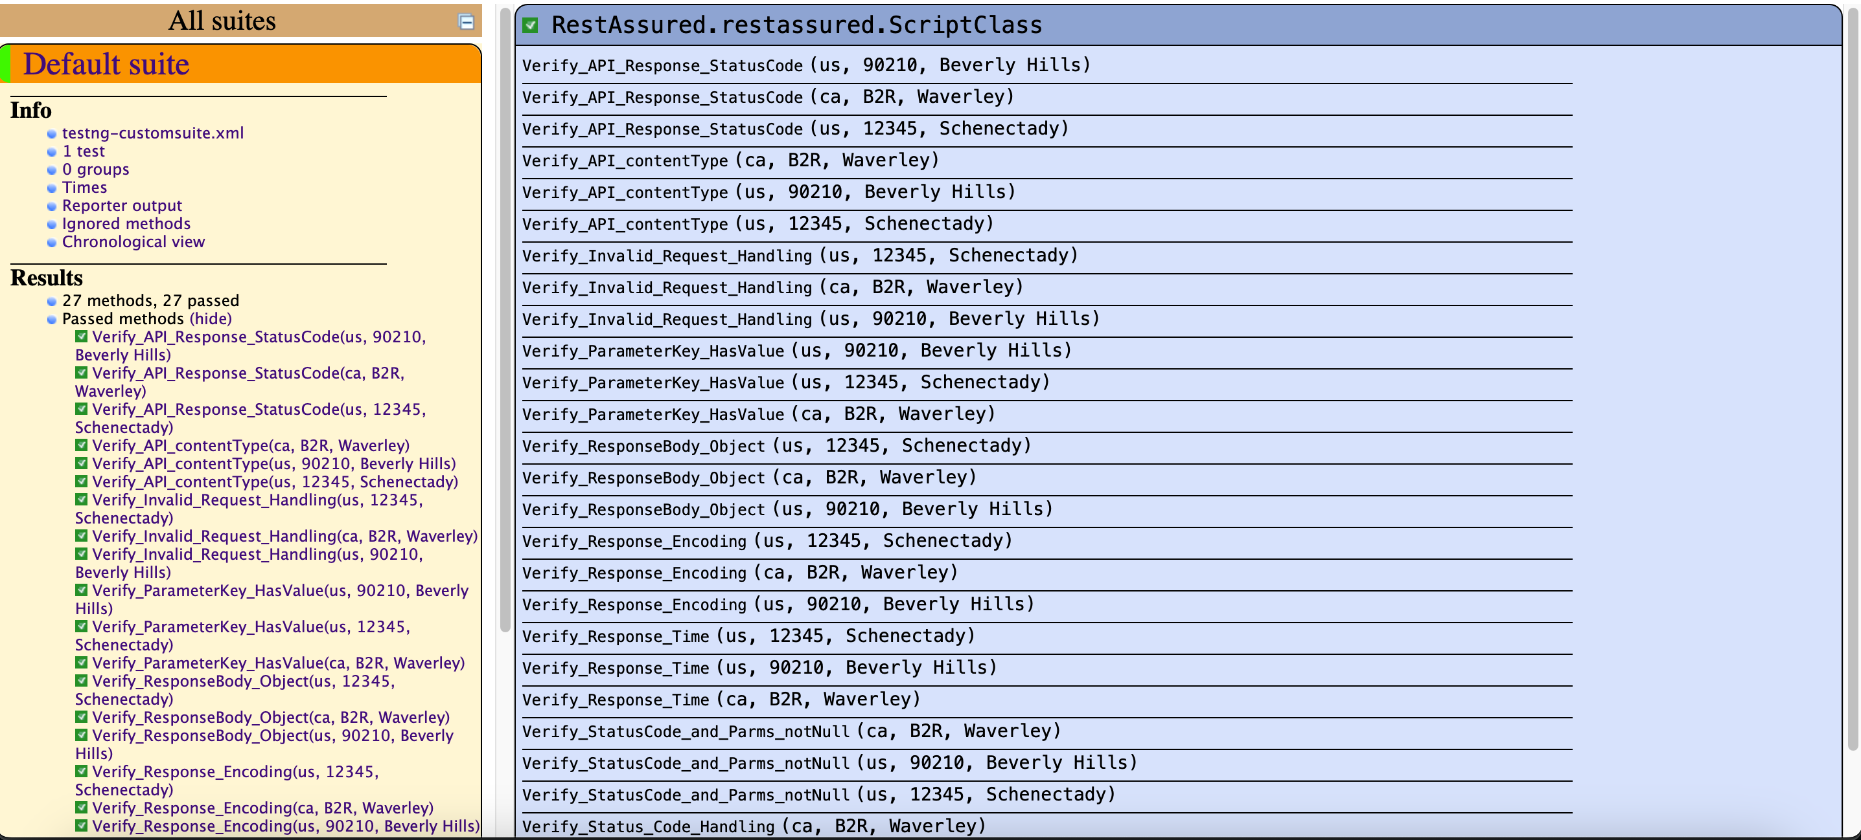
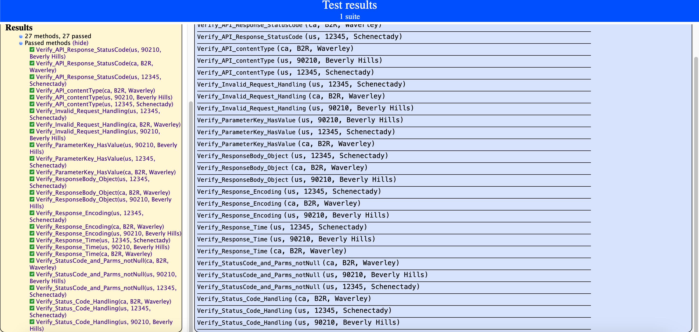
Third Part

Task | List of test cases proposed for automation
URL | https://api.zippopotam.us/us/33162

Test Case ID | Description | Test Steps | Expected Results | Method
_001 | Verify API Response Status Code | 1) Given to setup request 2) When to specify method & url 3) Then to assert response code | Api should return successful status code (200) for successful request | Get
_002 | Verify Invalid Request Handling | 1) Given to setup request 2) When to specify method & url 3) Then to assert response code | Api should return error status code for bad request and error message | Get
_003 | Verify Response Body - | 1) Given to setup request 2) When to specify method & url 3) Then to assert response body --> key , value or specific value | Response body should contain expected data | Get
_005 | Verify Response Time | 1) Given to setup request 2) When to specify method & url 3) Then to assert response time | Api response time should be in acceptance limit | Get
_006 | Verify Response Headers | 1) Given to setup request 2) When to specify method & url 3) Then to assert response headers | Api specific headers should be exist | Get
_007 | Verify Response Encoding | 1) Given to setup request 2) When to specify method & url 3) Then to assert response encoding | Api response encoding be UTF-8 | Get
_008 | Verify Response Format | 1) Given to setup request 2) When to specify method & url 3) Then to assert response format | Api response data in format (JSON) | Get
_009 | Verify handling different status code | 1) Given to setup request 2) When to specify method & url 3) Then to assert response code | Api should return error status should be either 200, 404, or 500 , 429 | Get
_010 | validate Response Code should be & not null values | 1) Given to setup request 2) When to specify method & url 3) Then to assert response code | Api should return error status code (200) and not specific value not null | Get

